General Information
The International FAO Antimicrobial Resistance Monitoring (InFARM) system
The development of an FAO information system hosting antimicrobial resistance (AMR) data from animals and food is a key activity of FAO Action Plan on AMR 2021-2025, approved by the 166th session of FAO Council in support to the Global Action Plan on AMR.
InFARM is a global information system consisting of an IT platform and related FAO activities that assist countries in collecting, collating, analysing, visualizing, and effectively utilizing their AMR monitoring and surveillance data primarily from livestock, fisheries, and aquaculture, along with their associated food products.
The goal of InFARM is to assist countries in developing and strengthening operational national surveillance systems that can efficiently contribute to generating reliable and timely AMR evidence in animals and food at national, regional, and global levels.
The InFARM system is initially designed to host and present AMR data generated through phenotypic antimicrobial susceptibility testing (AST) from:
• priority bacterial species of public health significance, including zoonotic and foodborne pathogens and commensal indicator bacteria from animals and food sources; and
• bacterial pathogens causing impacts in animal health and productivity.
The implementation of InFARM adheres to international standards and recommendations set forth by the Codex Alimentarius Commission and WOAH.
About this document
This Excel document is intended to define the data model for the web-based application of the InFARM IT platform, specifically outlining the organization and structure of AMR data to be submitted into the platform. It encompasses essential variables, corresponding codes, and standardized options to facilitate the sharing of harmonized AMR data.
AMR data files that adhere to this data model can be generated manually or automatically using data management softwares such as WHONET and BacLink, as well as Laboratory Information Management Systems (LIMS) locally adapted to align with the InFARM data model specifications. This document further complements the guidance provided in the "The International FAO Antimicrobial Resistance Monitoring (InFARM) system: Manual for Implementation, year 2024".
This Excel file includes the following tabs:
• "Instructions for use", to facilitate understanding of the comprehensive process involving the identification of various types of surveillance data, as well as the collation and preparation of AMR data files ready for submission into the IT platform.
• "1. Option A - Data Model", specifying the name, type, and definition of variables required for reporting isolate-level AMR data (Option A).
• "1.1 Option A - Data Template", providing a template for preparing AMR data files ready for submission, adhering to the data model for reporting isolate-level AMR data (Option A).
• "2. Option B - Data Model", specifying the name, type, and definition of variables required for reporting aggregated AMR data (Option B).
• "2.1 Option B - Data Template", providing a template for preparing AMR data files ready for submission, following the data model for reporting aggregated AMR data (Option B).
• "3. Code List", describing and specifying the codes to be used for reporting data in categorical variables (for both reporting options A and B).
References:
•The FAO Action Plan on Antimicrobial Resistance 2021–2025. https://www.fao.org/documents/card/en/c/cb5545en
•The International FAO Antimicrobial Resistance Monitoring (InFARM) System and IT platform. https://www.fao.org/antimicrobial-resistance/resources/database/infarm/en/
•Monitoring and evaluation of the global action plan on antimicrobial resistance: framework and recommended indicators. https://apps.who.int/iris/handle/10665/325006
•Foodborne antimicrobial resistance: Compendium of Codex standards. Including Codex Guidelines for integrated monitoring and surveillance of foodborne AMR. https://www.fao.org/documents/card/en/c/cb8554en
•WOAH terrestrial animal health code chapter 6.8. Harmonisation of national antimicrobial resistance surveillance and monitoring programmes; https://www.woah.org/en/what-we-do/standards/codes-and-manuals/terrestrial-code-online-access/
•WOAH aquatic animal health code chapter 6.4. Development and harmonisation of national antimicrobial resistance surveillance and monitoring programmes for aquatic animals. https://www.woah.org/en/what-we-do/standards/codes-and-manuals/aquatic-code-online-access/
Versions:
1. 04 August 2022
2. 27 July 2023
3. 07 August 2023
4. 01 February 2024
5. 05 March 2024
6. 01 May 2025
7. 30 October 2025

IMPORTANT NOTICE: This Excel document is provided solely for informational and coordination purposes. The original contents are intended for reference and should not be modified or altered in any way. In case of doubts, contact FAO-AMR-InFARM@fao.org

Instructions for use
Quick steps to use this document for sharing harmonized data into the InFARM IT Platform

1. Get familiar with the InFARM system.
The InFARM focal points (InFARM-FPs) need to familiarize themselves with the process of data collation and prepation of AMR data files. This Excel file provides a brief description of this process, complementing the "The International FAO Antimicrobial Resistance Monitoring (InFARM) system: Manual for implementation".

2. Identify the various types of surveillance information in your country to fit into the InFARM surveillance framework.
The InFARM-FPs need to identify the different types of existing AMR data in agri-food systems generated within the country. The schematic representation below outlines how the different steps in the food chain, surveilllance sites, surveillance programs, specimens and isolated microorganims for antimicrobial susceptibility testing (AST) relate one to another. This framework aims at supporting the process of harmonization of AMR data collation in agrifood systems, bringing together the different types of surveillance information that can be gathered together for reporting AMR data and for meaningful examination and analysis into the IT platform. (For more details see section 2 and 3 of the Manual for implementation)
# Attributes for gathering AMR data for submission into the InFARM system.
+ E.g. Soil, water, animal wastewater, sewage, manure, slurry, organic fertilizers, litter and bedding, and dust.
++ The microorganism list depicted in the figure is not exhaustive.
* These are examples of bacterial pathogens in terrestrial (green) and aquatic (blue) animals that could be isolated from clinical samples in sick animals for the purpose of informing clinical decisions in animal health.

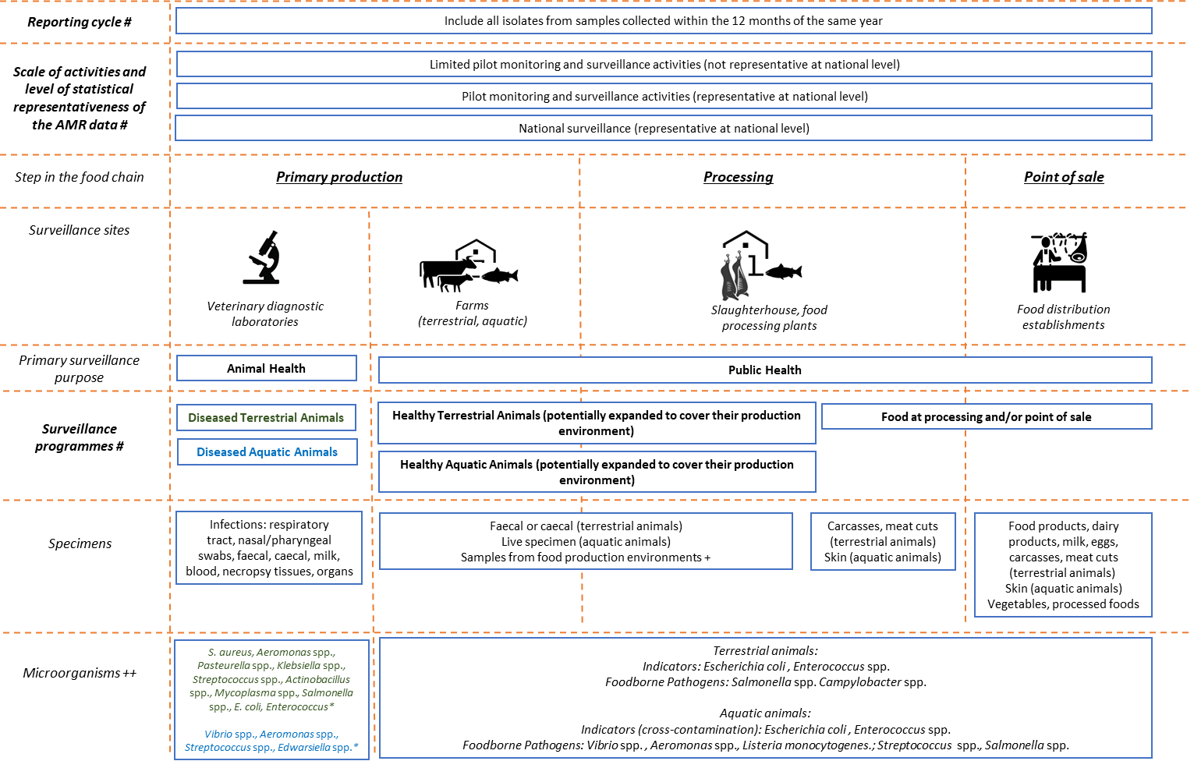

3. Collect and Organize AMR data
The InFARM-FPs are well-equipped to efficiently gather and organize AMR data in a structured way to create files that align with the requirements of the InFARM system. (For more details see section 3.2.2 and text in Annex 1 in the Manual for implementation)
This process involves grouping the AMR data based on attributes and corresponding categories as indicating below (codes of the categories are indicated in brackets for subsequent use in naming the files):
•Year of sample collection. Data generated from samples collected as early as 2015 can be compiled for submission to the InFARM IT platform.
•Data representativeness: to reflect the level at which accurate AMR prevalence estimates can be drawn from the data, AMR data prepared for InFARM submission needs to be sorted into these categories:
*Limited pilot surveillance activities (e.g. point prevalence survey) representing a local level population (e.g. using non-probability sampling methods)(Code: PILOTLOC)
*Pilot surveillance (e.g. point prevalence survey) representing a national level population (e.g. using probability sampling methods) (Code: PILOTNAT)
*National Surveillance (i.e. performed systematically and regularly) representing a national level population (e.g. following a national surveillance strategy that uses probability sampling methods) (Code: SYSTEMATIC)
•Surveillance purpose and program: AMR data intended for InFARM submission should be classified into these categories to reflect the type of surveillance data collected in food and agriculture:
*Program for healthy terrestrial animals (potentially expanded to include their production environment)(Code: ANIMPH)
*Program for healthy aquatic animals and their environment (potentially expanded to include their production environment)(Code: AQUAPH)
*Program for food at processing and/or point of sale (Code: FOODPH)
*Program for diseased terrestrial animals (Code: ANIMAH)
*Program for diseased aquatic animals (Code: AQUAAH)
Next, all AMR data falling under the same categorization (e.g., AMR data from samples collected in 2022 through national surveillance of healthy terrestrial animals at farm or slaughterhouse level) should be gathered together to form an individual AMR data file.
Following this, InFARM focal points need to decide on the reporting format for this individual AMR data file. The InFARM data model offers two reporting options:
•Option A: Involves reporting antimicrobial susceptibility testing (AST) data at the isolate level, with each row of the AMR data file corresponding to a distinct isolate, providing specific information. (Code for naming the file: OPTA)
•Option B: Entails reporting aggregated AST data, where each row in the file represents the count of isolates categorized as R, I, S, WT, NWT (resistant, intermediate, susceptible, wild type, non-wild type), for attributes including specimen, bacterial isolate, AST method, antibiotic, and supplementary metadata. (Code for naming the file: OPTB)
Additionally, a country can decide whether the information generated from the AMR data file(s) submitted to InFARM will be made publicly accessible in a global interface or kept private for country use.

4. Preparing InFARM AMR Data File(s)
Once the data is collated and the reporting format is determined, the InFARM-FPs can proceed to create the corresponding AMR data files that meet the InFARM IT platform requirements. The description and templates for both model options A and B are specified in tabs 1, 1.1, 2, and 2.1. (For more details see section 3.2.2 and text in Annex 1 in the Manual for implementation)
The name of the InFARM AMR data files should reflect the categorization outlined in step 3 (i.e. using the codes for year of sample collection, data representativeness, surveillance purpose and program, and reporting option) preceded by the ISO country code that can be found in this link https://unstats.un.org/unsd/methodology/m49/. For instance, if the AMR data belongs to Italy, the samples were collected in 2022, as part of regular systematic surveillance for healthy terrestrial animals, and data is reported thorugh option A, the name of the AMR data file would be ITA_2022_SYSTEMATIC_ANIMPH_OPTA.
InFARM AMR data files can be generated manually using Excel templates, or automatically using data management software like WHONET and BacLink, as well as locally adapted Laboratory Information Management Systems (LIMS) that align with the specifications of the InFARM data model.

5. Send and Validate InFARM AMR Data Files
Finally, AMR data files should undergo a comprehensive review and validation process to ensure adherence to the InFARM framework and technical data model specifications. Before uploading AMR data files into the InFARM IT platform, focal points should conduct visual inspections to ensure compliance with key technical checkpoints, as further detailed in Annex 1.3 of the manual for implementation.

